EMPLOYEE PROFILE-MAINTENANCE
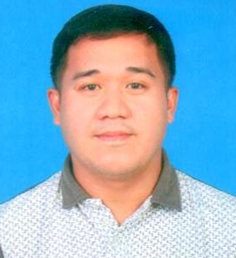


NAME: | Joe Vergil Jr Calanza Dormitorio | NAME: | Bindu Pillai

ID NO.: | Q0556 | ID NO.: | Q0077

POSITION: | Lead Maintenance Technician - Electrical | POSITION: | IT Manager

D.O.B.: | 1996-04-16 | D.O.B.: | Aug. 30, 1979

COUNTRY: | Philippines | COUNTRY: | India


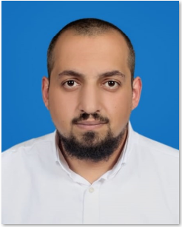

NAME: | Nenad Jovkovic | NAME: | Naser Qasim Mohammad Alhaj Ahmed

ID NO.: | Q0328 | ID NO.: | Q0534

POSITION: | Maintenance Manager | POSITION: | Deputy Maintenance Manager

D.O.B.: | December 31, 1968 | D.O.B.: | Jan. 6, 1989

COUNTRY: | Serbia | COUNTRY: | Jordan

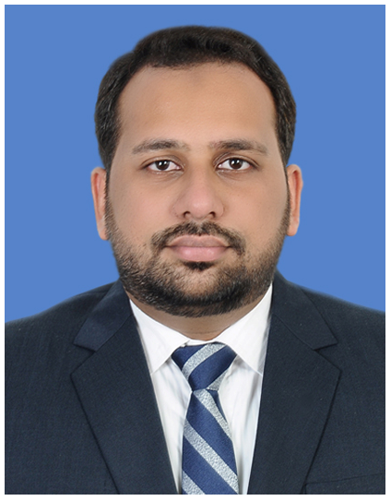


NAME: | Mohamed Bilal Muneer Basha | NAME: | Gary John Packer

ID NO.: | Q0514 | ID NO.: | Q0597

POSITION: | Continuous Improvement Manager | POSITION: | PM-Obsolescence Projects

D.O.B.: | 15-Apr-92 | D.O.B.: | 1965-12-21

COUNTRY: | India | COUNTRY: | UK


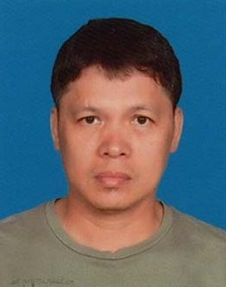

NAME: | Jessie Hellera Jr. | NAME: | Arnel Guevarra

ID NO.: | Q0159 | ID NO.: | Q0158

POSITION: | Sr. Maintenance Technician | POSITION: | Lead Maintenance Technician

D.O.B.: | June 5, 1987 | D.O.B.: | July 28, 1963

COUNTRY: | Philippines | COUNTRY: | Philippines

NAME: | Venice Jadloc

ID NO.: | Q0149

POSITION: | Maintenance technician

D.O.B.: | November 24, 1973

COUNTRY: | Philippines

